Sheet1
 | 0 | 1 | 2 | 3 | 4 | 5 | 6 | 7 | 8 | 9 | 10 | 11 | 12 | 13 | 14 |  | 0 | 1 | 2 | 3 | 4 | 5 | 6 | 7 | 8 | 9 | 10 | 11 | 12 | 13 | 14
0 | x | x | x | x | x | x | x | x | x | x | x | x | x | x | x | 0 | x | x | x | x | x | x | x | x | x | x | x | x | x | x | x
1 | x | x | x | x | x | x | x | x | x | x | x | x | x | x | x | 1 | x | x | x | x | x | x | x | x | x | x | x | x | x | x | x | x | Black
2 | x | x | x | x | x | x | x | x | x | x | x | x | x | x | x | 2 | x | x | x | x | x | x | x | x | x | x | x | x | x | x | x | B | Blue
3 | x | x | x | x | x | x | x | x | x | x | x | x | x | x | x | 3 | x | x | x | x | x | x | x | x | x | x | x | x | x | x | x | O | Orange
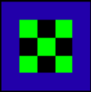
4 | x | x | x | x | x | x | x | x | x | x | x | x | x | x | x | 4 | x | x | x | x | x | x | x | x | x | x | x | x | x | x | x | W | White
5 | x | x | x | x | x | x | x | x | x | x | x | x | x | x | x | 5 | x | x | x | x | x | B | B | B | B | B | x | x | x | x | x | P | Pink
6 | x | x | x | x | x | x | B | B | B | x | x | x | x | x | x | 6 | x | x | x | x | x | B | G | x | G | B | x | x | x | x | x | R | Red
7 | x | x | x | x | x | x | B | G | B | x | x | x | x | x | x | 7 | x | x | x | x | x | B | x | G | x | B | x | x | x | x | x | G | Grey
8 | x | x | x | x | x | x | B | B | B | x | x | x | x | x | x | 8 | x | x | x | x | x | B | G | x | G | B | x | x | x | x | x | Y | Yellow
9 | x | x | x | x | x | x | x | x | x | x | x | x | x | x | x | 9 | x | x | x | x | x | B | B | B | B | B | x | x | x | x | x | V | Violet (Purple)
10 | x | x | x | x | x | x | x | x | x | x | x | x | x | x | x | 10 | x | x | x | x | x | x | x | x | x | x | x | x | x | x | x | G | Green
11 | x | x | x | x | x | x | x | x | x | x | x | x | x | x | x | 11 | x | x | x | x | x | x | x | x | x | x | x | x | x | x | x
12 | x | x | x | x | x | x | x | x | x | x | x | x | x | x | x | 12 | x | x | x | x | x | x | x | x | x | x | x | x | x | x | x
13 | x | x | x | x | x | x | x | x | x | x | x | x | x | x | x | 13 | x | x | x | x | x | x | x | x | x | x | x | x | x | x | x
14 | x | x | x | x | x | x | x | x | x | x | x | x | x | x | x | 14 | x | x | x | x | x | x | x | x | x | x | x | x | x | x | x

 | 0 | 1 | 2 | 3 | 4 | 5 | 6 | 7 | 8 | 9 | 10 | 11 | 12 | 13 | 14 |  | 0 | 1 | 2 | 3 | 4 | 5 | 6 | 7 | 8 | 9 | 10 | 11 | 12 | 13 | 14
0 | x | x | x | x | x | x | x | x | x | x | x | x | x | x | x | 0 | x | x | x | x | x | x | x | x | x | x | x | x | x | x | x
1 | x | x | x | x | x | x | x | x | x | x | x | x | x | x | x | 1 | x | x | x | x | x | x | x | x | x | x | x | x | x | x | x
2 | x | x | x | x | x | x | x | x | x | x | x | x | x | x | x | 2 | x | x | x | x | x | x | x | x | x | x | x | x | x | x | x
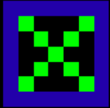
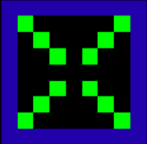
3 | x | x | x | x | x | x | x | x | x | x | x | x | x | x | x | 3 | x | x | x | B | B | B | B | B | B | B | B | B | x | x | x
4 | x | x | x | x | B | B | B | B | B | B | B | x | x | x | x | 4 | x | x | x | B | G | x | x | x | x | x | G | B | x | x | x
5 | x | x | x | x | B | G | x | x | x | G | B | x | x | x | x | 5 | x | x | x | B | x | G | x | x | x | G | x | B | x | x | x
6 | x | x | x | x | B | x | G | x | G | x | B | x | x | x | x | 6 | x | x | x | B | x | x | G | x | G | x | x | B | x | x | x
7 | x | x | x | x | B | x | x | G | x | x | B | x | x | x | x | 7 | x | x | x | B | x | x | x | x | x | x | x | B | x | x | x
8 | x | x | x | x | B | x | G | x | G | x | B | x | x | x | x | 8 | x | x | x | B | x | x | G | x | G | x | x | B | x | x | x
9 | x | x | x | x | B | G | x | x | x | G | B | x | x | x | x | 9 | x | x | x | B | x | G | x | x | x | G | x | B | x | x | x
10 | x | x | x | x | B | B | B | B | B | B | B | x | x | x | x | 10 | x | x | x | B | G | x | x | x | x | x | G | B | x | x | x
11 | x | x | x | x | x | x | x | x | x | x | x | x | x | x | x | 11 | x | x | x | B | B | B | B | B | B | B | B | B | x | x | x
12 | x | x | x | x | x | x | x | x | x | x | x | x | x | x | x | 12 | x | x | x | x | x | x | x | x | x | x | x | x | x | x | x
13 | x | x | x | x | x | x | x | x | x | x | x | x | x | x | x | 13 | x | x | x | x | x | x | x | x | x | x | x | x | x | x | x
14 | x | x | x | x | x | x | x | x | x | x | x | x | x | x | x | 14 | x | x | x | x | x | x | x | x | x | x | x | x | x | x | x

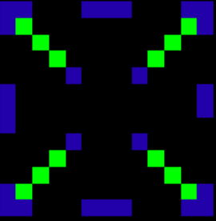
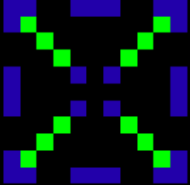
 | 0 | 1 | 2 | 3 | 4 | 5 | 6 | 7 | 8 | 9 | 10 | 11 | 12 | 13 | 14 |  | 0 | 1 | 2 | 3 | 4 | 5 | 6 | 7 | 8 | 9 | 10 | 11 | 12 | 13 | 14
0 | x | x | x | x | x | x | x | x | x | x | x | x | x | x | x | 0 | x | x | x | x | x | x | x | x | x | x | x | x | x | x | x
1 | x | x | x | x | x | x | x | x | x | x | x | x | x | x | x | 1 | x | B | B | x | x | x | B | B | B | x | x | x | B | B | x
2 | x | x | B | B | x | x | B | B | B | x | x | B | B | x | x | 2 | x | B | G | x | x | x | x | x | x | x | x | x | G | B | x
3 | x | x | B | G | x | x | x | x | x | x | x | G | B | x | x | 3 | x | x | x | G | x | x | x | x | x | x | x | G | x | x | x
4 | x | x | x | x | G | x | x | x | x | x | G | x | x | x | x | 4 | x | x | x | x | G | x | x | x | x | x | G | x | x | x | x
5 | x | x | x | x | x | G | x | x | x | G | x | x | x | x | x | 5 | x | x | x | x | x | B | x | x | x | B | x | x | x | x | x
6 | x | x | B | x | x | x | B | x | B | x | x | x | B | x | x | 6 | x | B | x | x | x | x | x | x | x | x | x | x | x | B | x
7 | x | x | B | x | x | x | x | x | x | x | x | x | B | x | x | 7 | x | B | x | x | x | x | x | x | x | x | x | x | x | B | x
8 | x | x | B | x | x | x | B | x | B | x | x | x | B | x | x | 8 | x | B | x | x | x | x | x | x | x | x | x | x | x | x | x
9 | x | x | x | x | x | G | x | x | x | G | x | x | x | x | x | 9 | x | x | x | x | x | B | x | x | x | B | x | x | x | x | x
10 | x | x | x | x | G | x | x | x | x | x | G | x | x | x | x | 10 | x | x | x | x | G | x | x | x | x | x | G | x | x | x | x
11 | x | x | B | G | x | x | x | x | x | x | x | G | B | x | x | 11 | x | x | x | G | x | x | x | x | x | x | x | G | x | x | x
12 | x | x | B | B | x | x | B | B | B | x | x | B | B | x | x | 12 | x | B | G | x | x | x | x | x | x | x | x | x | G | B | x
13 | x | x | x | x | x | x | x | x | x | x | x | x | x | x | x | 13 | x | B | B | x | x | x | B | B | B | x | x | x | B | B | x
14 | x | x | x | x | x | x | x | x | x | x | x | x | x | x | x | 14 | x | x | x | x | x | x | x | x | x | x | x | x | x | x | x

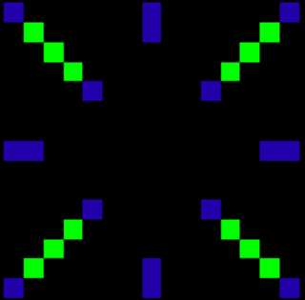
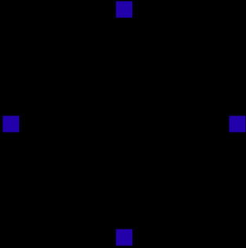
 | 0 | 1 | 2 | 3 | 4 | 5 | 6 | 7 | 8 | 9 | 10 | 11 | 12 | 13 | 14 |  | 0 | 1 | 2 | 3 | 4 | 5 | 6 | 7 | 8 | 9 | 10 | 11 | 12 | 13 | 14
0 | B | x | x | x | x | x | x | B | x | x | x | x | x | x | B | 0 | x | x | x | x | x | x | x | B | x | x | x | x | x | x | x
1 | x | G | x | x | x | x | x | B | x | x | x | x | x | G | x | 1 | x | x | x | x | x | x | x | x | x | x | x | x | x | x | x
2 | x | x | G | x | x | x | x | x | x | x | x | x | G | x | x | 2 | x | x | x | x | x | x | x | x | x | x | x | x | x | x | x
3 | x | x | x | G | x | x | x | x | x | x | x | G | x | x | x | 3 | x | x | x | x | x | x | x | x | x | x | x | x | x | x | x
4 | x | x | x | x | B | x | x | x | x | x | B | x | x | x | x | 4 | x | x | x | x | x | x | x | x | x | x | x | x | x | x | x
5 | x | x | x | x | x | x | x | x | x | x | x | x | x | x | x | 5 | x | x | x | x | x | x | x | x | x | x | x | x | x | x | x
6 | x | x | x | x | x | x | x | x | x | x | x | x | x | x | x | 6 | x | x | x | x | x | x | x | x | x | x | x | x | x | x | x
7 | B | B | x | x | x | x | x | x | x | x | x | x | x | B | B | 7 | B | x | x | x | x | x | x | x | x | x | x | x | x | x | B
8 | x | x | x | x | x | x | x | x | x | x | x | x | x | x | x | 8 | x | x | x | x | x | x | x | x | x | x | x | x | x | x | x
9 | x | x | x | x | x | x | x | x | x | x | x | x | x | x | x | 9 | x | x | x | x | x | x | x | x | x | x | x | x | x | x | x
10 | x | x | x | x | B | x | x | x | x | x | B | x | x | x | x | 10 | x | x | x | x | x | x | x | x | x | x | x | x | x | x | x
11 | x | x | x | G | x | x | x | x | x | x | x | G | x | x | x | 11 | x | x | x | x | x | x | x | x | x | x | x | x | x | x | x
12 | x | x | G | x | x | x | x | x | x | x | x | x | G | x | x | 12 | x | x | x | x | x | x | x | x | x | x | x | x | x | x | x
13 | x | G | x | x | x | x | x | B | x | x | x | x | x | G | x | 13 | x | x | x | x | x | x | x | x | x | x | x | x | x | x | x
14 | B | x | x | x | x | x | x | B | x | x | x | x | x | x | B | 14 | x | x | x | x | x | x | x | B | x | x | x | x | x | x | x

